Map
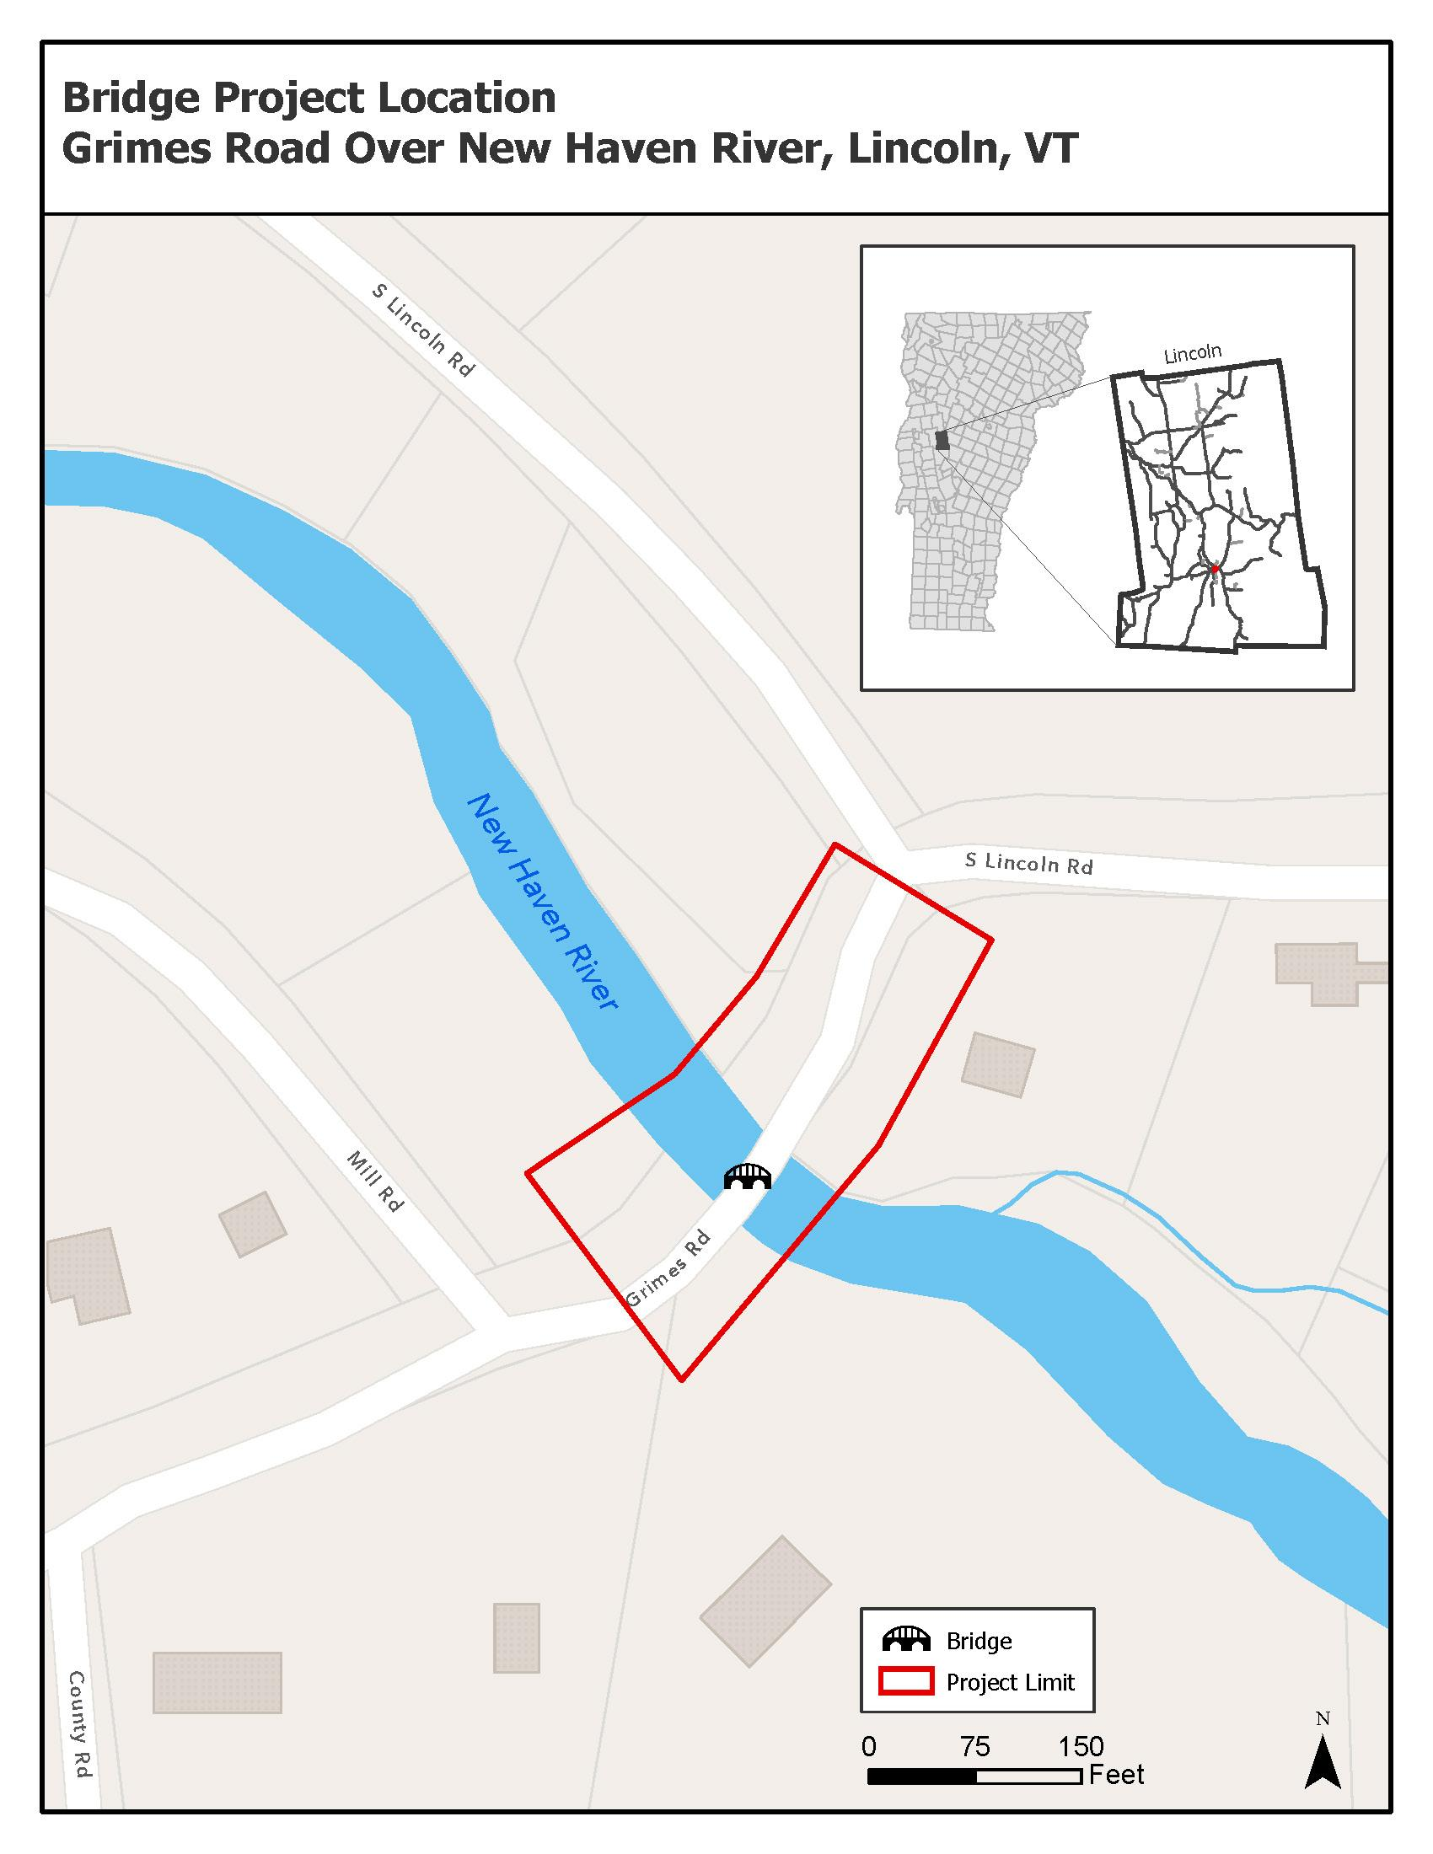
Map
Insert a map of the project area on this page. The map should clearly show:
- the limits of the project
- VTrans Town milemarkers in tenth of miles (https://geodata.vermont.gov/datasets/VTrans::vt-mile-points-1-10-mile-intervals)
- town boundaries
- Road names for major cross streets
- Any structure (bridge, culvert, etc) or infrastructure (eg traffic signal, sidewalk) that is particularly mentioned within the potential project idea

